Instructions
How to use the spreadsheet like a pro
The budget uses automated calculations that only require of you to simply fill in the cells of each table with the amount you have planned for this month and the actual amount spent.
Here's how it works: The cells marked with green lines in the image below are the ones you can fill in. The cells marked with red line in the image below are the ones that calculate automatically the amounts for you, those shouldn't be changed.
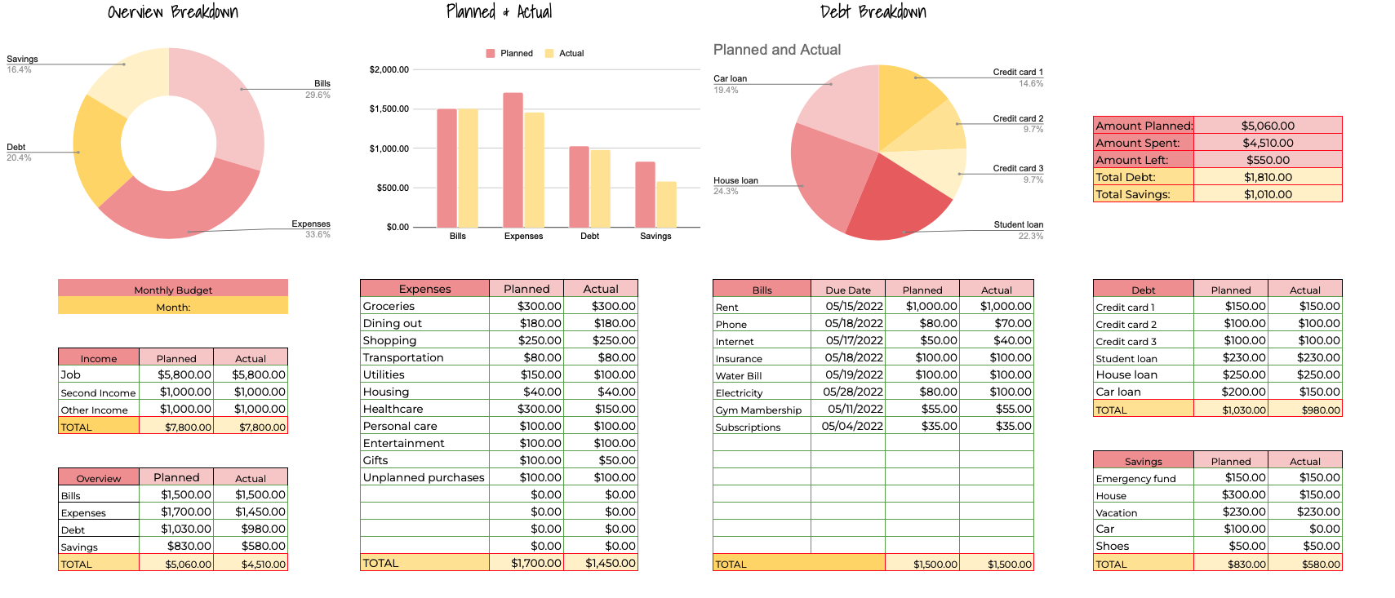

1. First, fill in the Income table with the amounts you earn each month.
2. Fill in the Expenses table, adding both the planned and the actual amounts, the totals will be calculated automatically.
3. Fill in the Bills table by adding the planned and actual amount but also the due dates. This will help you remember when to pay the bills.
4. Fill in the Debt and Savings tables with the amounts and let the spreadsheet do the calculation for you.
5. The graphs and the table where you have amount planned, spent and left, but also total debt and savings will automatically calculate as you fill in the cells of each table. Any value added to the actual column that is greater than the planned value will turn red.

Another great feature added to this spreadsheet is the Expense Tracker. You only need to fill in the Date, Amount and Description columns and to select a Category. The Expenses table found on the Budget sheet will update automatically for you.
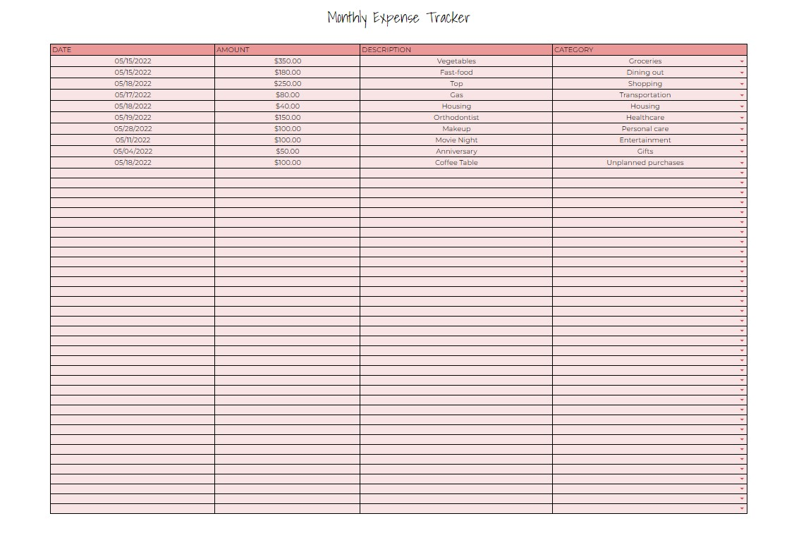

On the fourth sheet you'll have a summary regarding this month's budget situation:

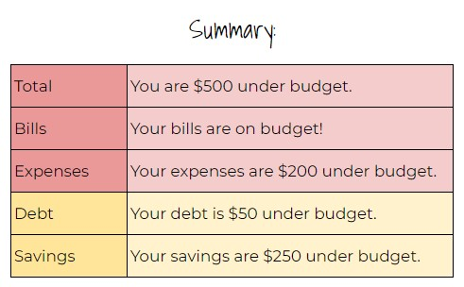

Made with ❤ by finmasters.com

Budget
Overview Breakdown |  |  | Planned & Actual |  |  | Debt Breakdown

 |  |  |  |  |  |  |  |  |  | Amount Planned: | $5,110.00
 |  |  |  |  |  |  |  |  |  | Amount Spent: | $4,660.00
 |  |  |  |  |  |  |  |  |  | Amount Left: | $450.00
 |  |  |  |  |  |  |  |  |  | Total Debt: | $1,810.00
 |  |  |  |  |  |  |  |  |  | Total Savings: | $1,010.00

Monthly Budget |  |  | Expenses | Planned | Actual | Bills | Due Date | Planned | Actual | Debt | Planned | Actual
Month: |  |  | Groceries | $300.00 | $350.00 | Rent | 05/15/2022 | $1,000.00 | $1,000.00 | Credit card 1 | $150.00 | $150.00
 |  |  | Dining out | $180.00 | $180.00 | Phone | 05/18/2022 | $80.00 | $70.00 | Credit card 2 | $100.00 | $100.00
 |  |  | Shopping | $250.00 | $250.00 | Internet | 05/17/2022 | $50.00 | $40.00 | Credit card 3 | $100.00 | $100.00
Income | Planned | Actual | Transportation | $80.00 | $80.00 | Insurance | 05/18/2022 | $100.00 | $100.00 | Student loan | $230.00 | $230.00
Job | $5,800.00 | $5,800.00 | Housing | $40.00 | $40.00 | Water Bill | 05/19/2022 | $100.00 | $100.00 | House loan | $250.00 | $250.00
Second Income | $1,000.00 | $1,000.00 | Healthcare | $300.00 | $150.00 | Electricity | 05/28/2022 | $80.00 | $100.00 | Car loan | $200.00 | $150.00
Other Income | $1,000.00 | $1,000.00 | Personal care | $100.00 | $100.00 | Gym Mambership | 05/11/2022 | $55.00 | $55.00 | TOTAL | $1,030.00 | $980.00
TOTAL | $7,800.00 | $7,800.00 | Entertainment | $100.00 | $100.00 | Subscriptions | 05/04/2022 | $35.00 | $35.00
 |  |  | Gifts | $100.00 | $50.00 |  |  | $0.00 | $0.00
 |  |  | Unplanned purchases | $100.00 | $100.00 |  |  | $0.00 | $0.00 | Savings | Planned | Actual
Overview | Planned | Actual | Sinking fund | $200.00 | $200.00 |  |  | $0.00 | $0.00 | Emergency fund | $150.00 | $150.00
Bills | $1,500.00 | $1,500.00 |  | $0.00 | $0.00 |  |  | $0.00 | $0.00 | House | $300.00 | $150.00
Expenses | $1,750.00 | $1,600.00 |  | $0.00 | $0.00 |  |  | $0.00 | $0.00 | Vacation | $230.00 | $230.00
Debt | $1,030.00 | $980.00 |  | $0.00 | $0.00 |  |  | $0.00 | $0.00 | Car | $100.00 | $0.00
Savings | $830.00 | $580.00 |  | $0.00 | $0.00 |  |  | $0.00 | $0.00 | Shoes | $50.00 | $50.00
TOTAL | $5,110.00 | $4,660.00 | TOTAL | $1,750.00 | $1,600.00 | TOTAL |  | $1,500.00 | $1,500.00 | TOTAL | $830.00 | $580.00

Made with ❤ by finmasters.com

